Before you start
Before using the rest of this tool, it's really important that you answer these 3 questions, as honestly as you can - actually type your answers in to the boxes!

1. Why are you revising? | This spreadsheet is an abridged version of the revision planning chapter in The Lazy Students Revision Guide, available as a paperback or Kindle eBook from Amazon:

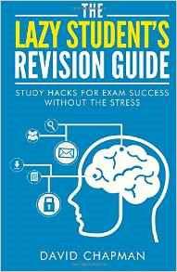
2. Why do you want to pass your exams?

3. What will happen if you don't revise?

